Invoice
Black & Brown Womyn Power Coalition, Inc.
Attn: WWTI Gender Justice Learning Retreat
Black and Brown Womyn Power Coalition, Inc.
800 Wisconsin Street
Bldg. D04, Suite 103, Mailbox 62
Eau Claire, WI 54703
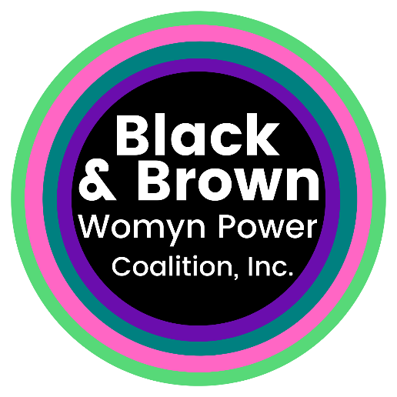

 | Bill To | For
 | Organization Name: | Gender Justice Learning Retreat for Hmong Womyn and QT Organizational Directors
 | Address:
 | Training Attendees (List all attending from your agency):
 | Item Description | Amount
 | Gender Justice Learning Retreat for Hmong Womyn and QT Organizational Directors - Septmber 12th-14th, 2021, Puerto Rico. | $900.00
 | Additional attendee: number of attendees x $900

 | Total Cost | $900.00
 | Make all checks payable to Black & Brown Womyn Power Coalition, Inc.
 | If you have any questions concerning this invoice, use the following contact information:
 | Pa Thao:
 | pa@bbwpcoalition.org
 | 800-343-9337

